Employee Dashboard
EMPLOYEE DASHBOARD

Percentage of Salary Earned By Names
 | Total
Tope Ade | 1330538
Maria Okafor | 1565613
Emeka John | 1643429
Ngozi Bello | 3610572
Tunde Salisu | 3869288
Sade Bassey | 3946235
James Obi | 4398364
Ibrahim Musa | 4455265
Chika Umeh | 4604691
Faith Udo | 5438385
Total Salary Earned By Job Title
 | Total
Recruiter | 6484320
Data Analyst | 4810963
Software Engineer | 4293690
System Admin | 3724259
Auditor | 3379875
Sales Executive | 3050942
Marketing Officer | 2549941
Accountant | 2523522
Sales Manager | 2512951
HR Manager | 1531917
Total Salary Earned By City
 | Total
Abuja | 4576232
Port Harcourt | 6601501
Kano | 7132852
Lagos | 8170441
Ibadan | 8381354
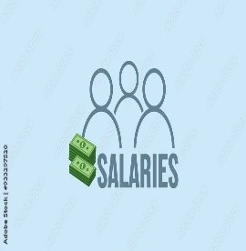 ₦ 34,862,380

Total Salary Earned By Gender
 | Total
Female | 19213348
Male | 15649032
Total Years of Experience By Job Title
 | Total
Recruiter | 91
Software Engineer | 87
Data Analyst | 67
Auditor | 61
Sales Executive | 50
Proportion of Gender By Department
 | Total
Finance | 15
HR | 20
IT | 30
Marketing | 17
Sales | 18
Gender By Job Title
 | Total
Recruiter | 17
Data Analyst | 14
Software Engineer | 12
System Admin | 11
Auditor | 10
Sales Executive | 9
Marketing Officer | 8
Sales Manager | 7
Accountant | 7
HR Manager | 5
₦ 15,649,032

₦ 19,213,348

